P03.19
P03.19 Liquid Viscosity Estimation for 1,1,2-Trichloroethane Using Rarey/Nannoolal

Component name |  | 1,1,2-Trichloroethane
DDB # |  | 163

Normal boiling temperature [K] |  | 386.800
Temperature [K] |  | 330.000
Number of atoms (not H) |  | 5

Group number | Frequency v | dBv | v * dBv | Tv | v * Tv | Group | Group Description
7 | 2 | 0.02134728 | 0.04269456 | 103.4109 | 206.8218 | CH2/CH/C_r_e | CH2/CH/C in a ring attached to F,Cl,O,N
25 | 1 | 0.004757939 | 0.004757939 | 329.0113 | 329.0113 | Cl_naCSi | chlorine attached to noaromatic carbon/silicon
26 | 2 | 0.00582279 | 0.01164558 | 313.1106 | 626.2212 | Cl_C_1FCln | chlorine attached to carbon with one F,Cl-neighbor
total |  |  | 0.059098079 |  | 1162.0543

Estimation of the liquid viscosity reference temperature

Tv equation parameters |  | 21.8444
 |  | 0.9315
 |  | 0.6577
 |  | 4.9259
 |  | 231.1361

Tv [K] |  | 290.25627694

Estimation of the temperature dependence of the liquid viscosity
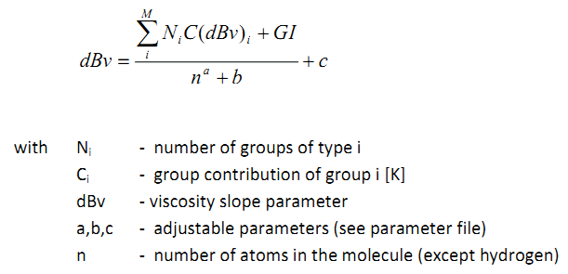

dBv equation parameters |  | -2.563524
 |  | 0.06847539
 |  | 3.777651

dBv |  | 4.475999931

Estimation of the liquid viscosity as function of temperature

liquid viscosity [cP] |  | 0.734869
at temperature [K] |  | 330.000

ARTIST reports:
Liquid Viscosity by Rarey/Nannoolal: 0.734869 mPa*s

